Sheet1
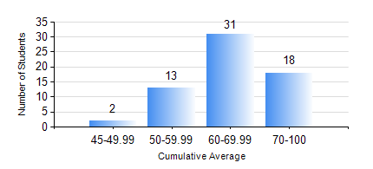
 |  |  | KWAME NKRUMAH UNIVERSITY OF SCIENCE AND TECHNOLOGY, KUMASI Department of Computer Engineering

 |  |  | BSC. BIOMEDICAL ENG.

 |  |  | COMPREHENSIVE RECORD OF EXAMINATION RESULTS

 |  |  | RESULTS OF YEAR 3 FIRST SEMESTER, 2023/2024 ACADEMIC YEAR

 | Sn | Course Code |  | Course Name | Credit Hours | Min. Mark | Max. Mark | Avg. Mark | Std. Dev. | No. Passed | No. Trailed | No. (Df) | No. (I) | No. (I*) | No. Tagged(I,I*,Df) | Total
 | 0. |  |  |  |  |  |  | 0 | 0 | 0 | 0 | 0 | 0 | 0 | 0 | 2
 | 1. | BME 397 |  | RESEARCH METHODS | 3 | 41 | 96 | 74 | 9.05 | 62 | 0 | 0 | 0 | 0 | 0 | 62
 | 2. | COE 351 |  | OBJECT ORIENTED PROGRAMMING | 4 | 27 | 95 | 69 | 17.2 | 57 | 5 | 0 | 0 | 0 | 0 | 62
 | 3. | COE 371 |  | LINEAR ELECTRONIC CIRCUITS | 3 | 26 | 98 | 68 | 13.01 | 61 | 1 | 0 | 0 | 0 | 0 | 62
 | 4. | COE 381 |  | MICROPROCESSORS | 3 | 49 | 97 | 75 | 10.89 | 62 | 0 | 0 | 0 | 0 | 0 | 62
 | 5. | MATH 351 |  | NUMERICAL METHODS | 2 | 23 | 90 | 64 | 13.62 | 61 | 1 | 0 | 0 | 0 | 0 | 62
 | 6. | STAT 253 |  | PROBABILITY AND STATISTICS | 2 | 40 | 87 | 60 | 10.98 | 61 | 0 | 0 | 1 | 0 | 1 | 62
 | 7. | TE 385 |  | SIGNALS AND SYSTEMS | 3 | 40 | 86 | 63 | 11.57 | 62 | 0 | 0 | 0 | 0 | 0 | 62

